Introduction
Introduction - Overview of Lifecycle Costing

What are lifecycle costs?
Lifecycle costs are the real costs to own and operate a community asset (e.g. fire truck, excavator, etc.) over the full life of the asset. Lifecycle cost analysis looks beyond the initial capital cost of an asset and includes operations, maintenance and system renewal costs. This allows communities to compare capital project alternatives to determine the best value approach for addressing service level gaps for a community, expecially when projects may have markedly different initial capital costs.
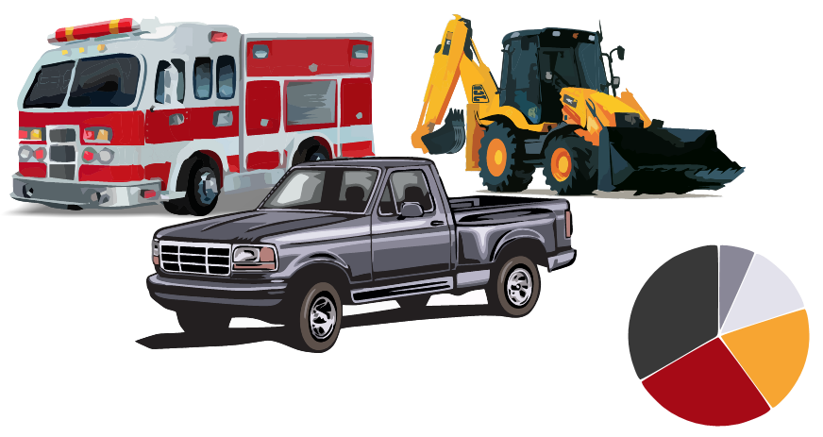 IMAGE
Why is it important to consider the full lifecycle cost of assets?
▪ Make better fact-based decisions
▪ Understand the full cost of owning and operating an asset when evaluating options
▪ Standardize and make more transparent decisions to support long-term community development
▪ Identify multi-year investment needs
▪ Make decisions that best align with community visions and goals
▪ Maximise existing resources
▪ Improve process control and accountability for decisions

What are some of the key lifecycle costs to consider when evaluating a proposed capital project?
▪ Construction, Purchase or Acquisition
▪ Any financing charges
▪ Costs for operating, maintaining and conducting general repairs (including staffing resources)
▪ Disposal costs that could be incurred at the end of the assets useful life

Preparing to Complete the Workbook
Some documents that will help you to complete this workbook include:
▪ Statement of Purchase
▪ Work order slips
▪ Invoices/receipts
▪ Financial statements
▪ Budget
▪ Other documentation

2. Lifecycle Costs
Lifecycle Costs

1 | Location and Equipment Details
 | Community | Fort Resolution
 | Asset Category | Heavy Equipment
 | Mobile Equipment Type | Pumper Truck - Small
 | Age of Asset | 0 | yrs |  |  | Year | 1 | 2 | 3 | 4 | 5 | 6 | 7 | 8 | 9 | 10 | 11 | 12 | 13 | 14 | 15 | 16 | 17 | 18 | 19 | 20 | 21 | 22 | 23 | 24 | 25 | 25+ | Lifecycle Cost
 | Expected Useful Life | 20 | yrs |  |  | Annualised Capital Cost for Initial Acquisition of Asset | $60,000.00 | $14,000.00 | $14,000.00 | $14,000.00 | $14,000.00 | $14,000.00 | $14,000.00 | $14,000.00 | $14,000.00 | $14,000.00 | $- | $- | $- | $- | $- | $- | $- | $- | $- | $- | $- | $- | $- | $- | $- | $- | $186,000.00
 | Remaining Life | 20 | yrs |  |  | Annualised Cost for Borrowing for Initital Acquisition | $4,000.00 | $4,000.00 | $4,000.00 | $4,000.00 | $4,000.00 | $4,000.00 | $4,000.00 | $4,000.00 | $4,000.00 | $4,000.00 | $- | $- | $- | $- | $- | $- | $- | $- | $- | $- | $- | $- | $- | $- | $- | $- | $40,000.00
 |  |  |  |  |  | Operation and Maintenance (O&M) Costs | $10,000.00 | $10,000.00 | $10,000.00 | $10,000.00 | $10,000.00 | $10,000.00 | $10,000.00 | $10,000.00 | $10,000.00 | $10,000.00 | $10,000.00 | $10,000.00 | $10,000.00 | $10,000.00 | $10,000.00 | $10,000.00 | $10,000.00 | $10,000.00 | $10,000.00 | $10,000.00 | $- | $- | $- | $- | $- | $- | $200,000.00
2 | Borrowing Capital for Financing |  |  |  |  | Annualised Indirect Lifecycle & Risk Costs | $- | $- | $- | $- | $- | $- | $- | $- | $- | $- | $- | $- | $- | $- | $- | $- | $- | $- | $- | $- | $- | $- | $- | $- | $- | $- | $-
 | Interest Rate for Capital Expenditures | 3% | applies to system capital renewals during asset lifecycle |  |  |  | $74,000.00 | $28,000.00 | $28,000.00 | $28,000.00 | $28,000.00 | $28,000.00 | $28,000.00 | $28,000.00 | $28,000.00 | $28,000.00 | $10,000.00 | $10,000.00 | $10,000.00 | $10,000.00 | $10,000.00 | $10,000.00 | $10,000.00 | $10,000.00 | $10,000.00 | $10,000.00 | $- | $- | $- | $- | $- | $- | $426,000.00
 | Amortization Period for Loan | 10 | yrs
 | Percentage of Total Capital for Financing | 75% |  | $138,750.00 | Loan Principal | Initial Acquisition of Asset | $186,000.00
 |  |  |  | $46,250.00 | Downpayment | Cost for Borrowing for Initital Acquisition | $40,000.00
3 | Capital Cost for Initial Acquisition/Major Renewal of Asset |  |  | $41,625.00 | Total Interest | Operation and Maintenance | $200,000.00
 | Purchase | $185,000.00 |  | $4,162.50 | Annualized Interest over Loan Term
 | Commissioning | $-
Arena Licecycle Cost Example
 | Staff Training | $-
 | Legal | $-
 | Project Administration | $-
 | TOTAL INITIAL CAPITAL COST | $185,000.00

4 | Asset Annual Operation and Maintenance (O&M)
 | Staffing | $1,000.00
 | Electricity
 | Unleaded Fuel/Natural Gas/Diesel | $4,000.00
 | Chemicals and Other Cleaning Supplies
 | Maintenance and Repairs | $2,000.00
 | Spare Parts Procurement and Storage
 | Service and Inspection | $200.00
 | Security
 | Administration and Overhead | $300.00
 | Licensing, Insurance and Legal Costs | $2,000.00
 | TOTAL ANNUAL O&M COST | $9,500.00

5 | Indirect Lifecycle & Risk Costs
 | Environmental impacts & risks | $-
 | Greenhouse gas emissions | $-
 | Safety risks | $-
 |  | $-

